RAC
 |  |  | NSW Government 4 Parramatta Square 12 Darcy Street Parramatta, NSW 2150 | T (02) 9995 5000 E nabers@environment.nsw.gov.au nabers.gov.au
NABERS for Residential Aged Care Rating Prediction Tool
Version: | 2.0 | Date: | Jul-23

The NABERS for Residential Aged Care rating prediction calculator helps you understand how NABERS ratings are likely to change over time. Predicted ratings are based on predicted greenhouse gas emissions factors provided by the Australian Government. Predicted ratings will change should the actual factors be different to those currently predicted.

ENTER THE RESIDENTIAL AGED CARE INFORMATION

Building Postcode
Occupied Bed Days (OBD)
Presence of Heated Pool |  |  |  |  | No
Heated Pool - Surface Area (m2)
Presence of Heavy Laundry |  |  |  |  | Yes
Weekly Meals Cooked Onsite (Non-RAC Residents)

Energy Consumption: |  |  |  | Electricity (kWh)
 |  |  |  | Gas (MJ) | -
 |  |  |  | LPG(L)
 |  |  |  | Diesel (L)
 |  |  |  | Total Energy Consumption (kWh) | -

Water Consumption: |  |  | Water (kL)
 |  |  |  | Total Water Consumption (kL) | -

RESULTS

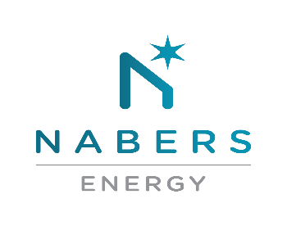
 | Current Star Rating
 |  | STAR RATING |  |  | STARS

 |  | Tracking Indicator

 | Predicted 2025
 |  | STAR RATING |  |  | STARS

 |  | Tracking Indicator

 | Predicted 2030
 |  | STAR RATING |  |  | STARS

 |  | Tracking Indicator

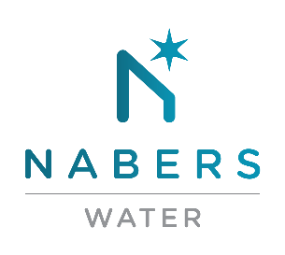
 | Current Star Rating
 |  | STAR RATING |  |  | STARS

 |  | Tracking Indicator

